Main Page
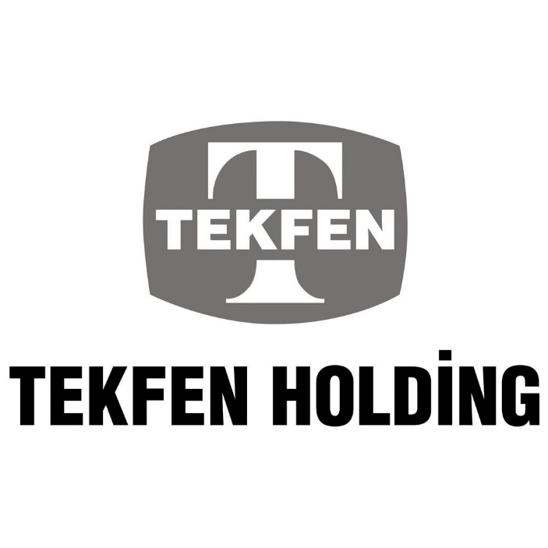

Summary Financial & Operational Data

Tekfen Holding Investor Relations
Çağlar Gülveren
Can Çimenser

